Sheet2
1）win进程号，都是以步长4增加的，
使用PsLookupProcessByProcessId通过pid来获取EXPROCESS结构对象，断链无效

2）代码
#include <ntifs.h>
// 通过进程id 暴力枚举
PEPROCESS FindProcessByNameW(PWCH processName) {
PEPROCESS pProcess = NULL;
for (ULONG_PTR pid = 12; pid < 0x100000; pid += 4) {
PEPROCESS pTempProcess = NULL;
// 通过id获取 EPROCESS结构
NTSTATUS status = PsLookupProcessByProcessId((HANDLE)pid,&pTempProcess);
if (!NT_SUCCESS(status)) continue;
// 判断该结构对应的进程是否退出
if (PsGetProcessExitStatus(pTempProcess) != STATUS_PENDING) {
ObDereferenceObject(pTempProcess);
continue;
}
// 获取该进程的全路径
PUNICODE_STRING szFullPath = NULL;
status = SeLocateProcessImageName(pTempProcess,&szFullPath);
if (!NT_SUCCESS(status)) {
ObDereferenceObject(pTempProcess);
continue;
}
// 从右边开始匹配镜像名
PWCH szName = wcsrchr(szFullPath->Buffer,L'\\');
if (szName) {
szName += 1;
if(_wcsicmp(szName,processName)==0){
pProcess = pTempProcess;
}
}
ExFreePool(szFullPath);
if (pProcess) break;
}
return pProcess;
}
PEPROCESS FindProcessByNameA(char* processName) {
ANSI_STRING aName;
UNICODE_STRING uName;
RtlInitAnsiString(&aName,processName);
NTSTATUS status = RtlAnsiStringToUnicodeString(&uName,&aName,TRUE);
if (!NT_SUCCESS(status)) return NULL;
PEPROCESS pProcess = FindProcessByNameW(uName.Buffer);
RtlFreeUnicodeString(&uName);
return pProcess;
}
VOID DriverUnload(PDRIVER_OBJECT pDriver)
{
}
NTSTATUS DriverEntry(PDRIVER_OBJECT pDriver, PUNICODE_STRING pReg)
{
pDriver->DriverUnload = DriverUnload;
//KdBreakPoint();
PEPROCESS pProcess = FindProcessByNameA("驱动管理.exe");
if (pProcess) {
HANDLE pid = PsGetProcessId(pProcess);
KdPrintEx((77,0,"pid:%d\n",pid));
ObDereferenceObject(pProcess);
}
return STATUS_SUCCESS;
}

Sheet3
#include <ntifs.h>
// 通过进程id 暴力枚举
PEPROCESS FindProcessByNameW(PWCH processName) {
PEPROCESS pProcess = NULL;
for (ULONG_PTR pid = 12; pid < 0x100000; pid += 4) {
PEPROCESS pTempProcess = NULL;
// 通过id获取 EPROCESS结构
NTSTATUS status = PsLookupProcessByProcessId((HANDLE)pid,&pTempProcess);
if (!NT_SUCCESS(status)) continue;
// 判断该结构对应的进程是否退出
if (PsGetProcessExitStatus(pTempProcess) != STATUS_PENDING) {
ObDereferenceObject(pTempProcess);
continue;
}
// 获取该进程的全路径
PUNICODE_STRING szFullPath = NULL;
status = SeLocateProcessImageName(pTempProcess,&szFullPath);
if (!NT_SUCCESS(status)) {
ObDereferenceObject(pTempProcess);
continue;
}
// 从右边开始匹配镜像名
PWCH szName = wcsrchr(szFullPath->Buffer,L'\\');
if (szName) {
szName += 1;
if(_wcsicmp(szName,processName)==0){
pProcess = pTempProcess;
}
}
ExFreePool(szFullPath);
if (pProcess) break;
}
return pProcess;
}
ULONG_PTR GetEProcessIdOffset() {
ULONG_PTR funcBaseAddr = (ULONG_PTR)PsGetProcessId;
#ifdef _WIN64 // 64位、32位偏移不一样
(PUCHAR)funcBaseAddr += 0x3;
#else
(PUCHAR)funcBaseAddr += 0xa;
#endif
return *(ULONG_PTR*)funcBaseAddr;
}
PEPROCESS FindProcessByNameA(char* processName) {
ANSI_STRING aName;
UNICODE_STRING uName;
RtlInitAnsiString(&aName,processName);
NTSTATUS status = RtlAnsiStringToUnicodeString(&uName,&aName,TRUE);
if (!NT_SUCCESS(status)) return NULL;
PEPROCESS pProcess = FindProcessByNameW(uName.Buffer);
RtlFreeUnicodeString(&uName);
return pProcess;
}
VOID DriverUnload(PDRIVER_OBJECT pDriver)
{
}
NTSTATUS DriverEntry(PDRIVER_OBJECT pDriver, PUNICODE_STRING pReg)
{
pDriver->DriverUnload = DriverUnload;
//KdBreakPoint();
PEPROCESS pProcess = FindProcessByNameA("驱动管理.exe");
if (pProcess) {
HANDLE pid = NULL;
pid = PsGetProcessId(pProcess);
KdPrintEx((77,0,"当前pid:%d\n", pid));
// EPROCESS.UniqueProcessId 修改为已存在pid
*(ULONG_PTR*)((PUCHAR)pProcess+GetEProcessIdOffset())=328;
pid = PsGetProcessId(pProcess);
KdPrintEx((77,0,"修改后pid:%d\n", pid));
ObDereferenceObject(pProcess);
}
return STATUS_SUCCESS;
}
任务管理器查看不到该进程(仅对任务管理器实现了隐藏)
对 pchunter、前面的暴力枚举、CE修改器均无效

Sheet4
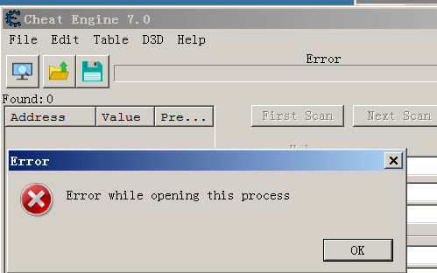
1）EPROCESS.Flags2的 ProtectedProcess位
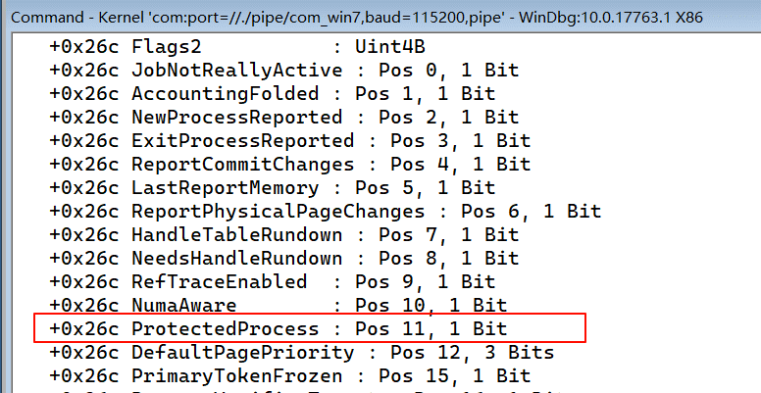

2）查看指定进程的EPROCESS结构

kd> dt _eprocess 876df6c8
ntdll!_EPROCESS
+0x000 Pcb : _KPROCESS
+0x098 ProcessLock : _EX_PUSH_LOCK
…
+0x26c Flags2 : 0x2d000
+0x26c JobNotReallyActive : 0y0
+0x26c AccountingFolded : 0y0
…
+0x26c ProcessVerifierTarget : 0y0
…

kd> ed 876df6c8+26c 0x2d000+0x800
3环下无法打开该进程，R0 可以任意操作

Sheet5
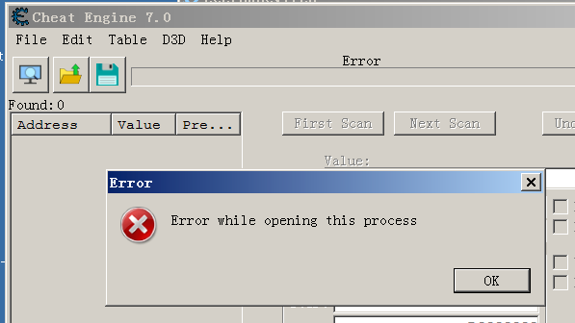
1）同上操作

 | flags=0x144d0801

2）修改属性位

kd> ed 876df6c8+0x270 0x144d0801-0x2000000

3环下无法打开该进程，R0 可以任意操作

Sheet6
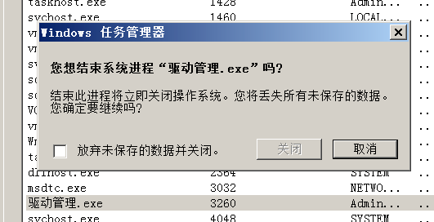
1）

kd> !process 0 0 驱动管理.exe
PROCESS 877c6b20 SessionId: 1 Cid: 0cbc Peb: 7ffd4000 ParentCid: 0520
DirBase: 7f21c440 ObjectTable: 83bc2fc0 HandleCount: 49.
Image: Çý¶¯¹ÜÀí.exe

kd> dt _eprocess 877c6b20
ntdll!_EPROCESS
+0x000 Pcb : _KPROCESS
+0x098 ProcessLock : _EX_PUSH_LOCK
…
+0x270 Flags : 0x144d0801
+0x270 CreateReported : 0y1
+0x270 NoDebugInherit : 0y0
…
+0x270 BreakOnTermination : 0y0
…

kd> ed 877c6b20+270 0x144d0801+0x2000

